Sheet1
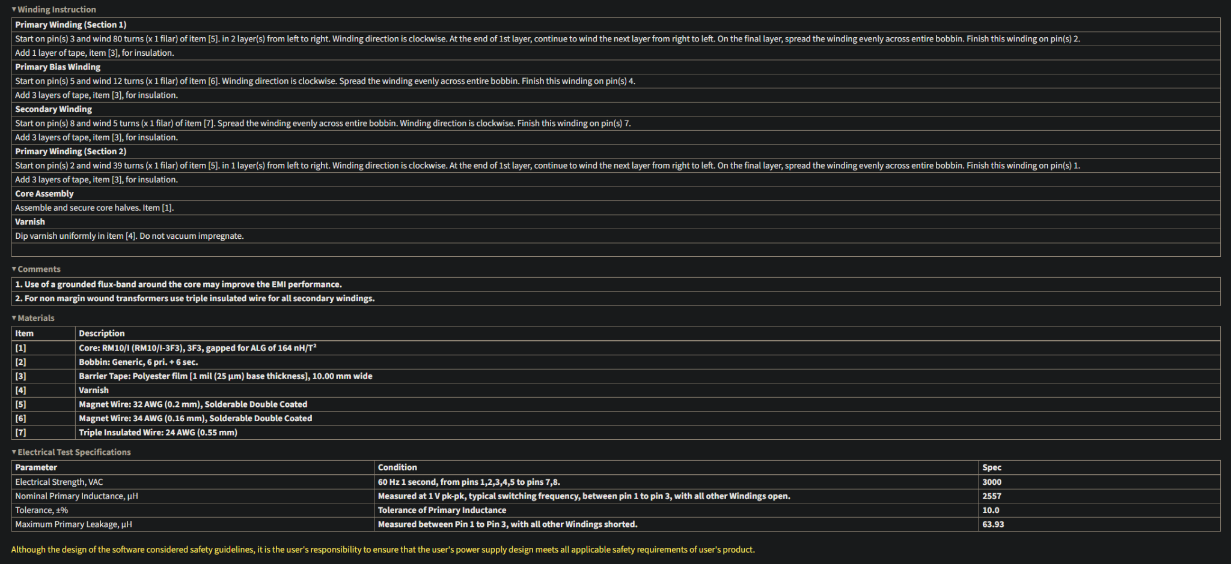
Phase | Goal
Phase 1 | Understand transformer behavior
Phase 2 | Design protection + complete circuit
Phase 3 | Validate on breadboard, prove core concept
Phase 4 | Lock in a version that looks and works for resume/demo use

Stage | Estimated Time | Notes
1. Core & Bobbin Prep | 1–2 hrs | Clean cores, apply margin tape.
2. Transformer Winding | 1.5–3 hrs | Done carefully with insulation layers and margin tape. Expect to rewind once.
3. Transformer Testing | 1–2 hrs | Measure inductance (Lₚ), verify Bmax, check continuity.
4. Clamp & Snubber Circuit Design | 2–4 hrs | Use textbook or PI Expert estimates, scope ringing, then tune RC snubber.
5. Breadboard Layout | 2–3 hrs | Be deliberate. Keep high di/dt paths tight. Add ground planes if possible.
6. Full Circuit Assembly | 1–2 hrs | Use perfboard or solderless breadboard. Power stage should be wired tightly.
7. Characterization & Debug | 4–6 hrs | Measure Vout ripple, line/load response, ringing, thermals, efficiency.
8. Optimization + Redesign Loops | 6–10 hrs | Allow time for iteration. You may re-wind or change the snubber.

